ML5-sLR Coeff.
Example of a "Least Squares Fitting" calculation for simple LR

Find the "least square fit" y = b0 + b1x for the experimental data points: {(1 , 2) , (3 , 4) , (2 , 6) , (4 , 8) , (5 , 12) , (6 , 13) , (7 , 15)}

Solution:
Number of Point N=7 |  |  | Mean-Values ("Mittelwerte"): [M(x),M(y)] = [28/7; 60/7] ~ [4; 8,5714] |  |  |  |  |  |  | 4 | 8.5714285714
Set up a table with the quantities included in the above formulas for b0 and b1 and also the quantities for the calculation of R²:

 | needed for calculation of b0 and b1 |  |  |  | needed for calculation of R² |  |  | SST = SSE + SSR ?
i | xi | yi | xi*yi | xi² | y(xi) | SSE=sum(yi-y(xi))² | SST=sum(yi-M(y))² | SSR=sum(y(xi) - M(y))² |  | xi - M(x) | yi - M(y) | [xi - M(x)]*[yi-M(y)]
1 | 1 | 2 | 2 | 1 | 2.0357 | 0.001274 | 43.1833 | 42.7101 |  | -3 | -6.5714285714 | 19.714285714
2 | 3 | 4 | 12 | 9 | 6.3929 | 5.726 | 20.8977 | 4.7459 |  | -1 | -4.5714285714 | 4.5714285714
3 | 2 | 6 | 12 | 4 | 4.2143 | 3.1887 | 6.6121 | 18.9843 |  | -2 | -2.5714285714 | 5.1428571429
4 | 4 | 8 | 32 | 16 | 8.5715 | 0.3266 | 0.3265 | 0 |  | 0 | -0.57142857143 | 0
5 | 5 | 12 | 60 | 25 | 10.7501 | 1.5623 | 11.7553 | 4.7467 |  | 1 | 3.4285714286 | 3.4285714286
6 | 6 | 13 | 78 | 36 | 12.9287 | 0.00661 | 19.6125 | 18.9861 |  | 2 | 4.4285714286 | 8.8571428571
7 | 7 | 15 | 105 | 49 | 15.1073 | 0.01151 | 41.3269 | 42.718 |  | 3 | 6.4285714286 | 19.285714286
sum | 28 | 60 | 301 | 140 |  | 10.822994 | 143.7143 | 132.8911 |  | 0 | 0 | 61
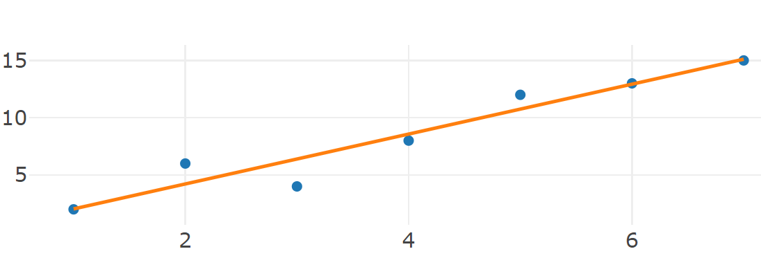
Substitute these values into Formula I and II: |  |  |  |  |  | Compare with Python

b0 = (140*60/7 -4*301)/(140 -7*16) = -28/196 = -1/7 ~ -0,14286 |  |  |  |  |  | intercept: - 0.14285714285714057
b1 = (301 -7*4*(60/7))/28 = 61/28 ~ 2,1786 |  |  |  |  |  | slope: [2.17857143]

----> Regression-Line: y = -1/7 + (61/28)*x |  |  |  |  |  |  |  |  | Check of Proposition (P5.1): f(Mean(x)) = -1/7 + (61/28)*4 = -1/7 + 61/7 = 60/7 = Mean(y) q.e.d.

R² = 1 - Sum((yi-y(xi))²)/Sum((yi-M(y))²) = 1 -(10,822994 / 143,7143) ~ 0,9247 |  |  |  |  |  | coeff. determination: 0.9247017892644135

Homework-5.1_a
Manuel calculation of two sLR-lines (green ,red) (Homework (H5.1_a) + Compare with optimal sLR-line (homewrk (H5.1_b) + Check Results with the new metric R²=SSR/SST

Decide what is the "better" sLR-Line: y = 1,5 + 0,5*x or y = 1,25+0,5*x ? |  |  |  |  |  |  |  |  | With the defintion R²:=SSR/SST we get as an result that the green line is the best sLR-line of the three --> With R²=1-SSE/SST it was the yellow line

Solution:
Number of Point N=3 |  |  | Mean-Values ("Mittelwerte"): [M(x),M(y)] = [2; (7/3)]
Set up a table with the quantities included in the above formulas for a and b and also the quantities for the calculation of R²:

 | needed for calculation of a and b |  |  |  | Needed for calculation of R² |  |  |  | SST = SSE + SSR ?
i | xi | yi | xi*yi | xi² | y(xi) | SSE=sum(yi-y(xi))² | SST=sum(yi-M(y))² | R² | SSR=sum(y(xi) - M(y))² | R²
1 | 1 | 2 | 2 | 1 | 2.00 | 0.0000000 | 0.1111111 | 1.0000000 | 0.1111111
2 | 3 | 3 | 9 | 9 | 3.00 | 0.0000000 | 0.4444444 | 1.0000000 | 0.4444444
3 | 2 | 2 | 4 | 4 | 2.50 | 0.2500000 | 0.1111111 | 0.9000000 | 0.0277778
sum | 6 | 7 | 15 | 14 |  | 0.2500000 | 0.6666667 | 0.6250000 | 0.5833333 | 0.8750000
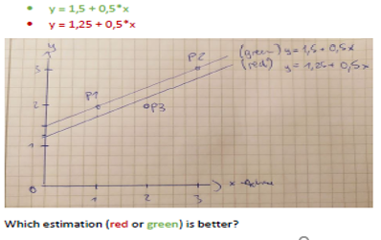
 |  |  |  |  |  |  |  |  | 0.8333333 | <--SSR + SSE
 |  |  |  |  | Needed for calculation of R² |  |  |  | SST = SSE + SSR ?
 |  |  |  |  | y(xi) | SSE=sum(yi-y(xi))² | SST=sum(yi-M(y))² | R² | SSR=sum(y(xi) - M(y))² | R²
 |  |  |  |  | 1.75 | 0.0625000 | 0.1111111 |  | 0.3402778
 |  |  |  |  | 2.75 | 0.0625000 | 0.4444444 |  | 0.1736111
 |  |  |  |  | 2.25 | 0.0625000 | 0.1111111 |  | 0.0069444
 |  |  |  |  |  | 0.1875000 | 0.6666667 | 0.7187500 | 0.5208333 | 0.7812500
 |  |  |  |  |  |  |  |  | 0.7083333 | <--SSR + SSE
 |  |  |  |  | From Homework (H5.1_b) we get the data for the "optimal" sLR-line:
 |  |  |  |  | needed for calculation of R² |  |  |  | SST = SSE + SSR ?
 |  |  |  |  | y(xi) | SSE=sum(yi-y(xi))² | SST=sum(yi-M(y))² | R² | SSR=sum(y(xi) - M(y))² | R²
 |  |  |  |  | 11/6 | (1/6)²=1/36 | (-1/3)²=1/9 |  | 1/4
 |  |  |  |  | 17/6 | (1/6)²=1/36 | (2/3)²=4/9 |  | 1/4
 |  |  |  |  | 14/6 | (-2/6)²=4/36 | (1/3)²=1/9 |  | 0
 |  |  |  |  | 42/6=7 | 6/36=1/6 | 2/3 | 0.7500000 | 1/2 | 0.7500000
 |  |  |  |  |  |  |  |  | 0.6666667 | <--SSR + SSE

Homework-5.1_b
Example of a "Least Squares Fitting" calculation for simple LR: Homework 5.1_b" |  |  |  |  |  |  |  |  |  | Coefficients a, b calculated with formulas of Theorem: "(sst=sse+ssr)=??=> optimal"

Find "least square fit" y = a + b*x with Trainingset TS :={(x, y))}= {(1,2), (3, 3), (2, 2)}

Solution:
Number of Point N=3 |  |  | Mean-Values ("Mittelwerte"): [M(x),M(y)] = [2; (7/3)]
Set up a table with the quantities included in the above formulas for b0 and b1 and also the quantities for the calculation of R²: |  |  |  |  |  |  |  |  |  | 2 | 7/3

 | needed for calculation of b0 and b1 |  |  |  | needed for calculation of R² |  |  | SST = SSE + SSR ?
i | xi | yi | xi*yi | xi² | y(xi) | SSE=sum(yi-y(xi))² | SST=sum(yi-M(y))² | SSR=sum(y(xi) - M(y))² | 0.25 | xi - M(x) | yi - M(y) | [xi - M(x)]*[yi-M(y)]
1 | 1 | 2 | 2 | 1 | 11/6 | (1/6)²=1/36 | (-1/3)²=1/9 | 1/4 | 0.25 | -1 | -0.33333333333 | 0.33333333333
2 | 3 | 3 | 9 | 9 | 17/6 | (1/6)²=1/36 | (2/3)²=4/9 | 1/4 |  | 1 | 0.66666666667 | 0.66666666667
3 | 2 | 2 | 4 | 4 | 14/6 | (-2/6)²=4/36 | (1/3)²=1/9 | 0 |  | 0 | -0.33333333333 | 0
sum | 6 | 7 | 15 | 14 | 42/6=7 | 6/36=1/6 | 2/3 | 1/2 | 0.50 | 0 | -4.4408920985E-16 | 1

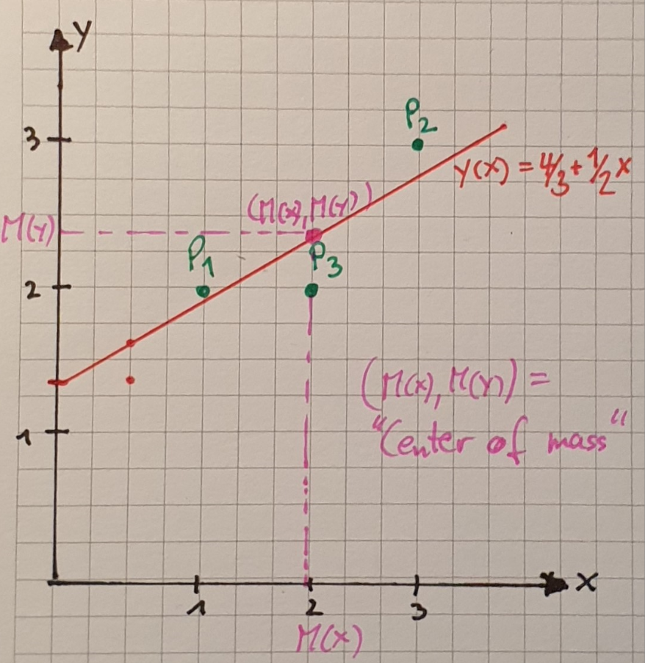
Substitute these values into Formula I and II: |  |  |  |  |  | Compare with Python
 |  |  |  |  |  |  |  |  |  | Coefficients a, b calculated with formulas of Theorem: "(sst=sse+ssr)=??=> optimal"
b0 = ((7/3)*14 -2*15)/(14-12) = (8/3)/2= 4/3 |  |  |  |  |  | intercept: 1.333333333333334 |  |  |  | a= [(7/3)*14-(14/3)*6]/(14-3*4)= 14/(3*2) = 14/6=7/3 = M(y)
b1 = (15 -3*2*(7/3))/2 = 1/2 = 0.5 |  |  |  |  |  | slope: [0.5] |  |  |  | b=[(7/3)*6 - 3*2*(7/3)]/2 = [14-14]/2=0 |  | ===> y(x) = 7/3 + 0*x ===>y(xi)=M(y) => SSR= 0 ---> unclear ??!
 |  |  |  |  |  |  |  |  |  |  | SSR=0
----> Regression-Line: y = 4/3 + 1/2*x |  |  |  |  |  |  |  |  |  |  | SSE = (2-7/3)²+ (3-7/3)²+0=1/9+4/9=5/9 ; SST =6/9 > 5/9 = SSR + SSE
 |  |  |  |  |  |  |  |  |  |  | SST = 2/3 => R²=1-(5/9)/(2/3)= 1-15/18=3/18=1/6 not max. ! ( SST<>sse+sst --> not counter-example !!!
R² = 1 - Sum((yi-y(xi))²)/Sum((yi-M(y))²) = 1 -(1/6)/(2/3) = 1 -(1*3)/(6*2)=1-3/12= 1-1/4=3/4 |  |  |  |  |  | coefficient of determination: 0.7499999999999999

Check of Proposition (P5.1): f(Mean(x)) = (4/3) + (1/2)*2 = 7/3 = Mean(y) q.e.d.

